1 Schedule & Playoffs
 |  |  | Schedule |  |  |  |  | Group A | Play at:
Game # | KO | Team |  |  | Team |  | Field | Marist College Women | 10, 11:20 & 12:40
1 | 10:00:00 | Marist | 30 | v | Bard | 0 | F1 | Rensselaer Polytechnic Inst. Women | 10, 11:20 & 12:40
2 | 10:00:00 | RPI | 0 | v | Montclair State | 10 | F2 | Montclair State Uni. Women | 10, 11:20 & 12:40
3 | 10:20:00 | Vassar | 41 | v | Fordham | 0 | F1 | Bard College Women | 10, 11:20 & 12:40
4 | 10:20:00 | New Paltz | 32 | v | Siena B | 0 | F2 | Group B | Play at:
5 | 10:40:00 | U. Albany | 10 | v | Vassar B | 12 | F1 | Vassar College Women | 10:20, 11:40 & 1:00
6 | 10:40:00 | Fairfield | 10 | v | Hofstra | 10 | F2 | SUNY-New Paltz Women | 10:20, 11:40 & 1:00
7 | 11:00:00 | Siena | 32 | v | Manhattanville | 7 | F1 | Siena College Women B | 10:20, 11:40 & 1:00
8 | 11:00:00 | Stony Brook | 27 | v | Marist B | 5 | F2 | Fordham University Women | 10:20, 11:40 & 1:00
9 | 11:20:00 | Marist | 0 | v | Montclair State | 15 | F1 | Group C | Play at:
10 | 11:20:00 | RPI | 15 | v | Bard | 0 | F2 | U. at Albany Women | 10:40, 12 & 1:20
11 | 11:40:00 | Vassar | 53 | v | Siena B | 0 | F1 | Fairfield University Women | 10:40, 12 & 1:20
12 | 11:40:00 | New Paltz | 10 | v | Fordham | 5 | F2 | Hofstra University Women | 10:40, 12 & 1:20
13 | 12:00:00 | U. Albany | 15 | v | Hofstra | 14 | F1 | Vassar College Women B | 10:40, 12 & 1:20
14 | 12:00:00 | Fairfield | 22 | v | Vassar B | 5 | F2 | Group D | Play at:
15 | 12:20:00 | Siena | 25 | v | Marist B | 5 | F1 | Siena College Women | 11, 12:20 & 1:40
16 | 12:20:00 | Stony Brook | 49 | v | Manhattanville | 0 | F2 | Stony Brook University Women | 11, 12:20 & 1:40
17 | 12:40:00 | Marist | 10 | v | RPI | 5 | F1 | Marist College Women B | 11, 12:20 & 1:40
18 | 12:40:00 | Montclair State | 25 | v | Bard | 0 | F2 | Manhattanville College Women | 11, 12:20 & 1:40
19 | 1:00:00 | Vassar | 39 | v | New Paltz | 5 | F1
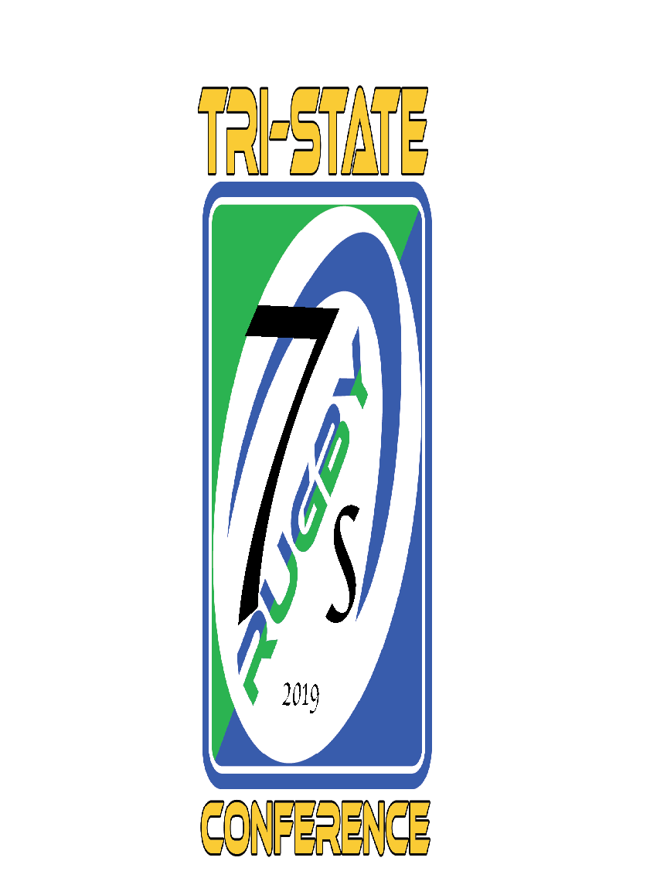
20 | 1:00:00 | Siena B | 0 | v | Fordham | 30 | F2 | TRI-STATE CONFERENCE
21 | 1:20:00 | U. Albany | 0 | v | Fairfield | 24 | F1 | RUGBY SEVENS CHAMPIONSHIP
22 | 1:20:00 | Hofstra | 5 | v | Vassar B | 15 | F2 | Sunday April 28, 2019
23 | 1:40:00 | Siena | 0 | v | Stony Brook | 17 | F1 | at Vassar College
24 | 1:40:00 | Marist B | 17 | v | Manhattanville | 5 | F2 | Poughkeepsie, NY

 |  |  |  |  |  |  |  | Games will be two halves of 7
25 | 2:20:00 | Winner A - MSU | 27 | v | Runner-up B - New Paltz | 5 | F1 | minutes each;
26 | 2:20:00 | Winner B - Vassar | 27 | v | Runner-up A - Marist | 0 | F2 | 1 minute for halftime;
27 | 2:40:00 | Winner C - Fairfield | 12 | v | Runner-up D - Siena | 15 | F1 | Overtime only to be used in
28 | 2:40:00 | Winner D - SBU | 27 | v | Runner-up C - VCB | 5 | F2 | playoffs if teams are tied.
29 | 3:40:00 | Winner game 25 - MSU | 10 | v | Winner game 26 - Vassar | 12 | F1
30 | 3:40:00 | Winner game 27 - Siena | 5 | v | Winner game 28 - SBU | 20 | F2
31 | 4:40:00 | Winner game 29 - Vassar | 25 | v | Winner game 30 - SBU | 0 | F1

 | Field 1 is the main field furthest from the entrance
 | Field 2 is the field nearest the picnic gazebo

